Sheet1
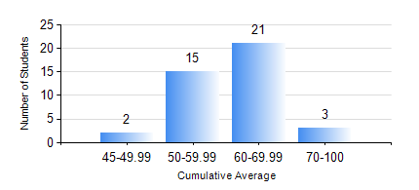
 |  |  | KWAME NKRUMAH UNIVERSITY OF SCIENCE AND TECHNOLOGY, KUMASI Department of Mechanical Engineering

 |  |  | BSC. INDUSTRIAL ENG.

 |  |  | COMPREHENSIVE RECORD OF EXAMINATION RESULTS

 |  |  | RESULTS OF YEAR 3 SECOND SEMESTER, 2020/2021 ACADEMIC YEAR

 | Sn | Course Code |  | Course Name | Credit Hours | Min. Mark | Max. Mark | Avg. Mark | Std. Dev. | No. Passed | No. Trailed | No. (Df) | No. (I) | No. (I*) | No. Tagged(I,I*,Df) | Total
 | 0. |  |  |  |  |  |  | 0 | 0 | 0 | 0 | 0 | 0 | 0 | 0 | 1
 | 1. | IE 354 |  | LOGISTICS AND SUPPLY CHAIN ENGINEERING | 2 | 0 | 79 | 58 | 15.14 | 38 | 2 | 0 | 0 | 0 | 0 | 40
 | 2. | IE 356 |  | RELIABILITY ENGINEERING | 3 | 10 | 90 | 72 | 15.93 | 39 | 1 | 0 | 0 | 0 | 0 | 40
 | 3. | IE 358 |  | COMPUTER-AIDED DESIGN AND MANUFACTURING | 3 | 19 | 80 | 60 | 11.93 | 39 | 1 | 0 | 0 | 0 | 0 | 40
 | 4. | IE 360 |  | QUALITY ASSURANCE | 2 | 16 | 86 | 60 | 13.44 | 38 | 2 | 0 | 0 | 0 | 0 | 40
 | 5. | IE 362 |  | INDUSTRIAL ENGINEERING LAB III | 1 | 16 | 92 | 74 | 14.61 | 39 | 1 | 0 | 0 | 0 | 0 | 40
 | 6. | IE 366 |  | ADVANCED MANUFACTURING TECHNOLOGY I | 3 | 12 | 85 | 67 | 13.79 | 39 | 1 | 0 | 0 | 0 | 0 | 40
 | 7. | IE 368 |  | OPERATIONS RESEARCH II | 2 | 3 | 82 | 59 | 14.12 | 38 | 2 | 0 | 0 | 0 | 0 | 40

